Cover Letter
Olympus EUS Value Calculator
PRINT

 | Investing in Olympus technology is an important decision. Investing smarter in today's economy is a necessary one. That's why we've developed the Olympus EUS Value Calculator. EUS can be a compelling business proposition and major addition to your existing GI portfolio. In an effort to assist our current and prospective customers with their own analyses, Olympus has developed a flexible and tailored EUS Value Calculator. Please keep in mind the following Olympus points when performing your analysis:

 | q | Olympus offers improved B-mode imaging capability, redesigned forceps, NBI and detachable cable
 | q | The ProSound F75 is Olympus' premier platform which offers our best image quality
 | q | The EU-ME1 is Olympus' most versatile processor
 | q | Olympus quality is backed by 510K FDA regulations
 | q | Flexible financial options are available and can be tailored to meet your needs
 | q | Olympus University offers accredited training courses at no charge (value ~ $300/course)
 | q | Olympus offers 24/7 technical support
 | q | Our customers can utilize web portals for repair history and equipment information
 | q | Our broad Field Support Team is available to serve your needs

 | This calculator illustrates how EUS can generate downstream revenue and provide solid financial returns based on specific investment, cost and revenue assumptions. All relevant information to your current business situation is included on the "Input" page. Remember, this tool is designed to be flexible and to take into account your unique situation in terms of procedure volume, revenue, costs and the value of Olympus services that you plan to utilize going forward.

 | Thank you for your time and interest in Olympus' products and solutions. At Olympus, we appreciate the opportunity to partner with our customers to provide the most advanced and efficient care to your patients. We look forward to doing business with you.

 | Best Regards

 | [Enter Name]
 | Endoscopy Account Manager

Introduction
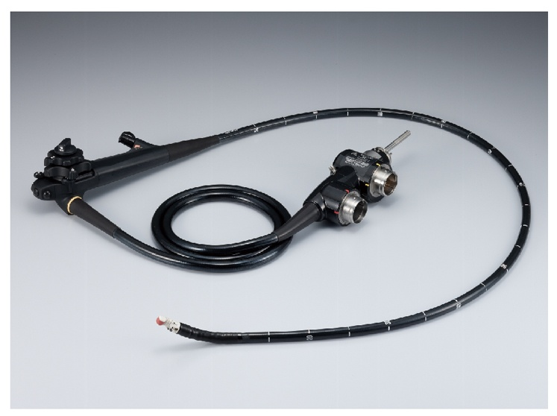
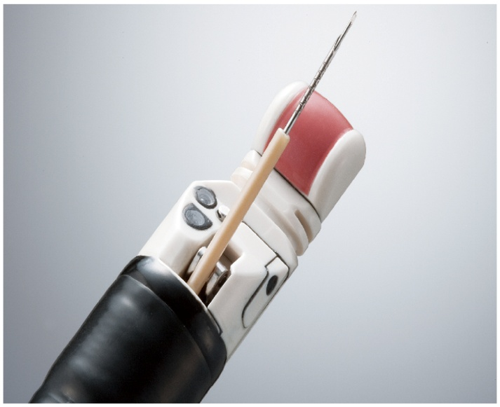
EUS Introduction

 | Endoscopic ultrasound (EUS) is widely available in academic facilities, but not well established in the community hospital setting. While the initial cost of capital equipment and reimbursement concerns have been a deterrent for community hospitals considering an EUS program, it is important to note that the financial benefits of EUS extend beyond the GI department alone. The EUS program can often be a powerful downstream revenue generator for a hospital, with the EUS case often serving as the patient's first point of entry into the hospital system. A significant percentage of EUS patients may require additional services from the facility, creating an indirect revenue stream that originated within the GI department but benefits the facility as a whole.

 | About EUS
 | EUS combines endoscopy and ultrasound in order to obtain the most accurate, high-resolution images and information about the digestive tract and the surrounding tissue and organs. By guiding an endoscope with an ultrasound transducer at its tip, sound beyond the range of human hearing is emitted within body cavities and creates images of the targeted areas. EUS allows a minimally invasive, non-surgical evaluation of the internal organs with a high degree of accuracy. The applications for EUS have continued to expand and are now used to assess several types of cancers and disorders: - Submucosal lesions -- Ultrasound scanning over submucosal nodules in the esophagus or stomach. - Chronic pancreatitis -- EUS aids in providing detailed information about the pancreas and pancreatic duct. - Disorders of the bile duct and fecal incontinence.

 | - Staging of lung cancer -- EUS is valuable in helping physicians detect cancer in mediastinal lymph nodes.

 | What's New The GF-UCT180 features a newly developed curved linear array transducer to deliver higher-quality ultrasound image with greater depth and offers you the power and flexibility you need for straightforward tissue sampling to sophisticated endoscopic ultrasound-guided treatment. A redesigned elevator gives you more reliable control over devices passed through the channel and a detachable ultrasound cable helps facilitate easier handling, reprocessing and storage. The endoscopic image the GF-UCT180 incorporates a high-resolution "Q" CCD that delivers sharp, clear images. Narrow Band Imaging (NBI) capability is also supported by the Olympus GF-UCT-180, offering enhanced visualization of mucosal and capillary structures. Clinical Support Olympus Clinical Application Specialists (CAS) offer something others cannot: a team of clinically-skilled people aimed at supporting you with a combined experience level of more than 200 years working in the GI lab. The CAS team specializes in education, procedures and clinical support. Financial Support Having the most advanced endoscopic technology at your fingertips helps ensure the best care possible for your patients. To assist you in meeting your operation's goals, Olympus offers specialized financial options that can be tailored to meet your needs. Please inquire about these options with your salesperson. Focused Attention Olympus has a full support team that includes: Endoscopy Account Managers, Clinical EndoTherapy Specialists, Clinical Application Specialists, Field Service Engineers, Endoscopy Support Specialists, a 24-hour technical assistance center and customer service representatives, all focuses to serve your needs.

